RightAscensionDecl
Method 9 |  |  |  |  |  |  |  | Midday Readings (Noon)

Julian Century (UT1) | 0.23152088167 | from TimeScales sheet |  |  |  |  |  | Julian Century (UT1) | 0.23151266255989048 | from TimeScales sheet

Julian Century (TDB) | 0.23152090374 | from TimeScales sheet |  |  |  |  |  | Julian Century (TDB) | 0.23151268463020840 | from TimeScales sheet

Ellipse (Semi-major axis) a | 1.000001018 | AU | 149,597,870,700 | meters |  |  |  | Ellipse (Semi-major axis) a | 1.000001018 | AU | 149,597,870,700 | meters

Eccentricity | 0.016698894765 |  |  |  |  |  |  | Eccentricity | 0.016698895111

Ellipse (Semi-minor axis) b | 0.99986158159 | AU |  |  |  |  |  | Ellipse (Semi-minor axis) b | 0.99986158159 | AU

Mean Longitude | 335.39644807 | degrees | 5.8537723183 | radians |  |  |  | Mean Longitude | 335.1005538 | degrees | 5.8486079891 | radians

Mean Anomaly (M) | 52.06175867 | degrees | 0.90864910317 | radians |  |  |  | Mean Anomaly (M) | 51.765878538 | degrees | 0.90348502067 | radians

Eccentric Anomaly (E_1) |  |  | 0.92195570036 | radians |  |  |  | Eccentric Anomaly (E_1) |  |  | 0.91673878194 | radians
Eccentric Anomaly (E_2) |  |  | 0.92195451844 | radians |  | Check |  | Eccentric Anomaly (E_2) |  |  | 0.91673761402 | radians |  | Check
Eccentric Anomaly (E) | 52.82410281 |  | 0.92195451844 | radians | 0.90864910317 | 0 |  | Eccentric Anomaly (E) | 52.525196204 |  | 0.91673761402 | radians | 0.90348502067 | 0

Distance to Sun | 0.989910467 | AU |  |  |  |  |  | Distance to Sun | 0.989841191 | AU

True Anomaly (Theta) | 53.590354958 | degrees | 0.93532814134 | radians |  |  |  | True Anomaly (Theta) | 53.288433026 | degrees | 0.93005860954 | radians
 |  |  |  |  |  | Check |  |  |  |  |  |  |  | Check
Distance to Sun | 0.98991046707 | AU |  |  |  | 0 |  | Distance to Sun | 0.98984119134 | AU |  |  |  | 0

Equation of Center | 1.5285962887 |  |  |  |  |  |  | Equation of Center | 1.5225544885

True Longitude of Sun | 336.92504436 | degrees |  |  |  |  |  | True Longitude of Sun | 336.62310829 | degrees

Apparent Longitude | 336.91646124 | degrees |  |  |  |  |  | Apparent Longitude | 336.61452412 | degrees

Note
Earth rotation
not required
Mean Obliquity | 23.43628037 | degrees |  |  |  |  |  | Mean Obliquity | 23.43628048 | degrees
 |  |  |  |  |  | [F9] to refresh |  |  |  |  |  |  |  | [F9] to refresh
Apparent Obliquity | 23.438318215 | degrees |  |  |  |  |  | Apparent Obliquity | 23.438317892 | degrees
 |  |  |  | Hours | Minutes | Seconds | We need to know the Earth location as it |  |  |  |  | Hours | Minutes | Seconds
Sun's Right Ascension | 338.643 | degrees | 22.576178658 | 22 | 34 | 34.24 | orbits the Sun. But we don't need (so far) | Sun's Right Ascension | 338.359 | degrees | 22.557243966 | 22 | 33 | 26.08
 |  |  |  |  |  |  | how fast the Earth is rotating around its axis
 |  |  |  | Degrees | Minutes | Seconds |  |  |  |  |  | Degrees | Minutes | Seconds
Sun's Declination | -8.972 | degrees | -8.9719847739 | -8 | -58 | -19.15 |  | Sun's Declination | -9.084 | degrees | -9.0837275039 | -9 | -5 | -1.42

Nutation
True to Apparent Longitude (The earth wobbles a bit)
Seidelmann 1980
 |  |  |  | https://www.scielo.br/pdf/jatm/v11/2175-9146-jatm-11-e3619.pdf
 |  |  |  | Cross referring other derivations, I can detect simple errors
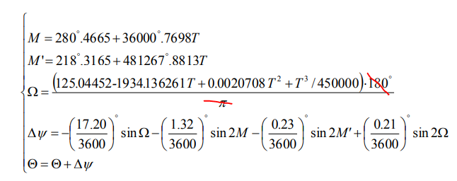
Julian Century (UT1) | 0.23152088167 | from TimeScales sheet

Distance to Sun | 0.98991046707 | AU

Mean Longitude | 335.39646487 | degrees

Mean Longitude' | 41.880697688

Omega calculation | 125.044520 | 1.000000 | 125.044520
 | -1934.136260 | 0.231521 | -447.792932
 | 0.002071 | 0.053602 | 0.000111
 | 0.000002 | 0.012410 | 0.000000
 |  | -322.748301 | -322.748301

Omega | 37.251698843 | degrees
 |  |  |  |  | Simplified formula
dLong calculation | -0.0047778 | 0.6053176 | -0.0028921
 | -0.0003667 | -0.7570757 | 0.0002776 |  | -0.0056900
 | -0.0000639 | 0.9940780 | -0.0000635 |  | -0.0028931
 | 0.0000583 | 0.9636463 | 0.0000562
 |  | -0.0026218 | -0.0026218 |  | -0.00858311

dLongitude | -0.0057496
 | -0.0026218
 | -0.00837140 | degrees

True to Apparent Obliquity

Obliquity calculation | 0.0025556 | 0.7959841 | 0.0020342
 | 0.0001583 | 0.6533272 | 0.0001034
 | 0.0000278 | 0.1086692 | 0.0000030
 | -0.0000250 | 0.2671812 | -0.0000067
 |  |  | 0.0021340
 |  |  |  |  | Simplified formula

dObliquity | 0.0021340 | degrees |  |  | 0.0020378

Moon1
Moon Method - Low accuracy |  |  |  |  |  | Links
 |  |  |  |  |  | Computing planetary positions - a tutorial with worked examples (stjarnhimlen.se)
Julian Century (UT1) | 8457.00 | from TimeScales sheet |  |  |  | http://www.geoastro.de/elevazmoon/basics/meeus.htm
 |  |  |  |  |  | http://www.stjarnhimlen.se/comp/ppcomp.html
Julian Century (TDB) | 8457.00 | from TimeScales sheet |  |  |  | http://www.stjarnhimlen.se/comp/ppcomp.html#6
 |  |  |  |  |  | https://eclipse.gsfc.nasa.gov/SEhelp/moonorbit.html#:~:text=The%20true%20anomaly%20is%20the,Moon%20with%20respect%20to%20perigee.&text=Similarly%2C%20when%20New%20Moon%20occurs,(e.g.%2C%20Dec%2027).
Ellipse (Semi-major axis) a | 60.2666 | Earth radius |  |  |  | http://www.jgiesen.de/moonmotion/index.html
 |  |  |  |  |  | https://en.wikipedia.org/wiki/Orbit_of_the_Moon
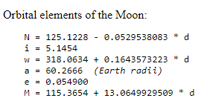
Eccentricity (e) | 0.054900 |  | 0.00095818575934 | radians |  | http://farside.ph.utexas.edu/teaching/336k/Newtonhtml/node133.html
 |  |  |  |  |  | https://aa.quae.nl/en/reken/hemelpositie.html
Ellipse (Semi-minor axis) b | 60.1757 | Earth radius |  |  |  | https://www.timeanddate.com/astronomy/moon/location.html
 |  |  |  |  |  | https://theskylive.com/planetarium?obj=moon#ra|16.869645201641948|dec|-24.71843128508558|fov|50
 |  |  |  |  |  | https://www.mooncalc.org/#/49.495,11.073,3/2020.12.06/14:24/1/3
 |  |  |  |  |  | https://theskylive.com/moon-info#:~:text=The%20current%20Right%20Ascension%20of,is%20%2D10.91%20(JPL).
Mean Anomaly (M) | 110606.0108 | degrees | 1.5011714038 | radians |  | https://astronomynow.com/javascript/solar_system.html
 | 86.010785761 |  |  |  |  | https://www.heavens-above.com/moon.aspx?lat=0&lng=0&loc=M&alt=0&tz=CET
Eccentric Anomaly (E_1) |  |  | 1.5561483647 | radians | Check
Eccentric Anomaly (E_2) |  |  | 1.5560654474 | radians | 0 | Heliocentric (Sun-centered)
Eccentric Anomaly (E) | 89.155982774 |  | 1.5560654473 | radians | 1.5011714038 | Geocentric (Earth-centered)

Distance to Moon | 60.217862639 | Earth radius |  |  |  | Computing planetary positions (stjarnhimlen.se)
 |  |  |  |  |  | Moon Locator (futureboy.us)
True Anomaly (Theta) (v) | 92.304035276 | degrees | 1.6110093284 | radians | Check
 |  |  |  |  | 0
Distance to Moon | 60.217862639 | Earth radius

Argument of perihelion (w) | 1708.0332747 |  | 4.6780631483 | radians

Longitude of ascending node (N) | -322.70755679 | degrees | 0.65087592007 | radians

Inclination to the ecliptic (i) | 5.1454 | degrees | 0.089804171332 | radians

Mean Obliquity | 23.43628 | degrees | 0.40904025691 | radians

xv |  |  | -2.420888

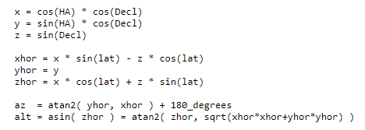
yv |  |  | 60.169180484

v | 92.304035276 | degrees | 1.6110093284

distance (r ) | 60.217862639 | Earth radius

xh |  |  | 47.691768431

yh |  |  | 36.765271574

zh |  |  | 0.031793766009

Moon Longitude | 37.628393952 | degrees | 0.6567393667 | radians

Moon Latitude | 0.030250968931 | degrees | 0.00052797900976 | radians

Sun's Right Ascension | 35.272 | degrees

Sun's Declination | 14.054 | degrees

Moon Method - Higher accuracy - Observator at centre of Earth

Sun's mean longitude (Ls) | 335.39644807 | degrees | 5.8537723183 | radians

Moon's mean longitude (Lm) | 31.336503659 | degrees | 0.54692516492 | radians

Sun's Mean Anomaly (Ms) | 52.06175867 | degrees | 0.90864910317 | radians

Moon's Mean Anomaly (Mm) | 86.010785761 | degrees | 1.5011714038 | radians

Moon's Mean elongation (D) | -304.05994441 | degrees | -5.3068471533 | radians

Moon's argument of latitude (F) | 1794.0440605 | degrees | 31.311975781 | radians

Perturbations to longitude | -1.274 | -0.43632012742 | Evection
 | 0.658 | 0.9279656715 | Variation
 | -0.186 | 0.78867391236 | Yearly equation
 | -0.059 | 0.86725723734
 | -0.057 | 0.44138735273
 | 0.053 | -0.30720542626
 | 0.046 | 0.86443588084
 | 0.041 | 0.55845513308
 | -0.035 | 0.82845207606 | Parallactic
 | -0.031 | 0.66818914549
 | -0.015 | -0.83106222905
 | 0.011 | -0.672374086
 | 0.9452 | degrees | 0.016496705588 | radians

Perturbations to latitude | -0.173 | -0.8842873478
 | -0.055 | -0.34059921819
 | -0.046 | -0.52733051033
 | 0.033 | 0.96162564752
 | 0.017 | 0.24081026913
 | 0.2318 | degrees | 0.0040456608595 | radians

Perturbation in lunar distance | -0.58 | 0.89979150163
 | -0.46 | -0.37266568466
 | -0.3505 | Earth radius

Moon Longitude | 38.5736 | degrees | 0.67323607229 | radians

Moon Latitude | 0.2621 | degrees | 0.0045736398692 | radians

distance (r ) | 59.867409783 | Earth radius

Mean Obliquity | 23.4363 |  | 0.40904025691 | radians

x_eclipse | 46.804330953

y_eclipse | 37.328091107

z_eclipse | 0.27381101765

x_equator | 46.804330953

y_equator | 34.139731624

z_equator | 15.097684684

Sun's Right Ascension | 36.108 | degrees | 0.63019533185

Sun's Declination | 14.607 | degrees | 0.25493795203

MoonRiseSet
 |  |  |  |  | Latitude | 51.28784 | degrees | 0.89514167424 |  |  |  |  |  |  | dropped Latitude
 |  |  |  |  | Longitude | 0 | degrees | 0

Moon-Rise | 8:58:10 | 8.969400

JD_temp | Julian Date (0hr) | Eliptic Longitude | Eliptic Latitude | Epsilon | lambda | phi | epsilon | l | m | n | alpha | delta | GMST | GHA | LHA | dGHA | x_n | LHA_n | dUT | JD_temp
2,460,000.50 | 0.23150 | 111638.71054 | 0.17406520042 | 23.436280541 | 1948.4630715 | 0.0030380108605 | 0.40904025986 | 0.780312 | 0.572583 | 0.251520 | 0.63304381576 | 0.2542508476 | 732622704.47 | 118.331 | 118.331 | 347.81 | -0.3204 | 251.314 | 0.38234235276 | 2,460,000.8823
 |  | 38.710536187 | 0.17406520042 |  |  |  |  |  |  |  | 36.2707 | 14.5675 | 37104.466752 |  |  |  |  |  | 9.1762164662
 |  | -321.28946 | -359.82593 |  |  |  |  |  |  |  |  |  | 154.6019
2460000.8823 | 0.23151 | 111643.73953 | 0.62364404766 | 23.436280405 | 1948.550844 | 0.010884641992 | 0.40904025749 | 0.722448 | 0.629978 | 0.284952 | 0.71713090844 | 0.28895681777 | 732655829.29 | 251.533 | 251.533 | 348.385 | -0.3670 | 248.468 | -0.0087979605415 | 2,460,000.8735 | 2460000.8735
 |  | 43.739527892 | 0.62364404766 |  |  |  |  |  |  |  | 41.0886 | 16.5560 | 70229.291147 |  |  |  |  |  | -0.211151053
 |  | -316.26047 | -359.37636 |  |  |  |  |  |  |  |  |  | 292.6220
2460000.8735 | 0.23151 | 111643.62456 | 0.613384216 | 23.436280408 | 1948.5488375 | 0.010705574149 | 0.40904025754 | 0.723835 | 0.628719 | 0.284212 | 0.71519041635 | 0.28818399861 | 732655067.07 | 248.469 | 248.469 | 348.348 | -0.3660 | 248.533 | 0.00018439622098 | 2,460,000.8737 | 2460000.8737
 |  | 43.624561579 | 0.613384216 |  |  |  |  |  |  |  | 40.9774 | 16.5117 | 69467.066167 |  |  |  |  |  | 0.0044255093036
 |  | -316.37544 | -359.38662 |  |  |  |  |  |  |  |  |  | 289.4461
2460000.8737 | 0.23151 | 111643.62697 | 0.61359929913 | 23.436280408 | 1948.5488795 | 0.010709328058 | 0.40904025754 | 0.723806 | 0.628745 | 0.284227 | 0.71523108416 | 0.28820020892 | 732655083.04 | 248.533 | 248.533 | 348.349 | -0.3660 | 248.532 | -3.8859269946E-06 | 2,460,000.8737 | 2460000.8737
 |  | 43.626971516 | 0.61359929913 |  |  |  |  |  |  |  | 40.9797 | 16.5127 | 69483.041626 |  |  |  |  |  | -9.3262247871E-05
 |  | -316.37303 | -359.38640 |  |  |  |  |  |  |  |  |  | 289.5127
2460000.8737 | 0.23151 | 111643.62692 | 0.61359476652 | 23.436280408 | 1948.5488786 | 0.010709248949 | 0.40904025754 | 0.723806 | 0.628744 | 0.284227 | 0.71523022713 | 0.28819986731 | 732655082.7 | 248.532 | 248.532 | 348.351 | -0.3660 | 248.532 | 8.189452462E-08 | 2,460,000.8737 | 2460000.8737
 |  | 43.626920729 | 0.61359476652 |  |  |  |  |  |  |  | 40.9797 | 16.5126 | 69482.704961 |  |  |  |  |  | 1.9654685909E-06
 |  | -316.37308 | -359.38641 |  |  |  |  |  |  |  |  |  | 289.5113
2460000.8737 | 0.23151 | 111643.62692 | 0.61359486211 | 23.436280408 | 1948.5488787 | 0.010709250617 | 0.40904025754 | 0.723806 | 0.628745 | 0.284227 | 0.7152302452 | 0.28819987452 | 732655082.71 | 248.532 | 248.532 | 348.615 | -0.3660 | 248.532 | -1.7875846458E-09 | 2,460,000.8737 | 2460000.8737
 |  | 43.6269218 | 0.61359486211 |  |  |  |  |  |  |  | 40.9797 | 16.5126 | 69482.712062 |  |  |  |  |  | -4.2902031498E-08
 |  | -316.37308 | -359.38641 |  |  |  |  |  |  |  |  |  | 289.5113

Moon-Set | 1900-01-01 00:39:10 | 24.652937

JD_temp | Julian Date (0hr) | Eliptic Longitude | Eliptic Latitude | Epsilon | lambda | phi | epsilon | l | m | n | alpha | delta | GMST | GHA | LHA | dGHA | x_n | LHA_n | dUT | JD_temp
2,460,000.50 | 0.23150 | 111638.71054 | 0.17406520042 | 23.436280541 | 1948.4630715 | 0.0030380108605 | 0.40904025986 | 0.780312 | 0.572583 | 0.251520 | 0.63304381576 | 0.2542508476 | 732622704.47 | 118.331 | 118.331 | 347.810 | -0.3204 | 108.686 | -0.027730385932 | 2,460,001.4723
 |  | 38.710536187 | 0.17406520042 |  |  |  |  |  |  |  | 36.2707 | 14.5675 | 37104.466752 |  |  |  |  |  | -0.66553
 |  | -321.28946 | -359.82593 |  |  |  |  |  |  |  |  |  | 154.6019
2460001.4723 | 0.23153 | 111651.3703 | 1.2988931174 | 23.436280195 | 1948.684026 | 0.02266996153 | 0.40904025382 | 0.624124 | 0.707551 | 0.331423 | 0.84796405403 | 0.33781116669 | 732706938.56 | 96.993 | 96.993 | 769.504 | -0.4343 | 115.742 | 0.024366052668 | 2,460,001.4966 | 2460001.4966
 |  | 51.370295079 | 1.2988931174 |  |  |  |  |  |  |  | 48.5848 | 19.3552 | 34938.557018 |  |  |  |  |  | 0.58478526403
 |  | -308.62970 | -358.70111 |  |  |  |  |  |  |  |  |  | 145.5773
2460001.4966 | 0.23153 | 111651.68226 | 1.3261540312 | 23.436280186 | 1948.6894708 | 0.023145754232 | 0.40904025367 | 0.619856 | 0.710461 | 0.333203 | 0.85340092624 | 0.33969841722 | 732709049.55 | 105.477 | 105.477 | 348.201 | -0.4370 | 115.911 | 0.02996491155 | 2,460,001.5266 | 2460001.5266
 |  | 51.682260646 | 1.3261540312 |  |  |  |  |  |  |  | 48.8963 | 19.4633 | 37049.547903 |  |  |  |  |  | 0.71915787721
 |  | -308.31774 | -358.67385 |  |  |  |  |  |  |  |  |  | 154.3731
2460001.5266 | 0.23153 | 111652.06557 | 1.3596006973 | 23.436280176 | 1948.6961609 | 0.023729508681 | 0.40904025348 | 0.614586 | 0.714007 | 0.335376 | 0.86009092416 | 0.34200458382 | 732711645.6 | 115.910 | 115.910 | 348.194 | -0.4402 | 116.117 | 0.00059316241459 | 2,460,001.5272 | 2460001.5272
 |  | 52.065572302 | 1.3596006973 |  |  |  |  |  |  |  | 49.2796 | 19.5954 | 39645.604639 |  |  |  |  |  | 0.01423589795
 |  | -307.93443 | -358.64040 |  |  |  |  |  |  |  |  |  | 165.1900
2460001.5272 | 0.23153 | 111652.07316 | 1.3602619014 | 23.436280175 | 1948.6962933 | 0.02374104887 | 0.40904025348 | 0.614482 | 0.714077 | 0.335419 | 0.86022339716 | 0.34205007036 | 732711696.99 | 116.117 | 116.117 | 348.190 | -0.4403 | 116.121 | 1.1714247887E-05 | 2,460,001.5272 | 2460001.5272
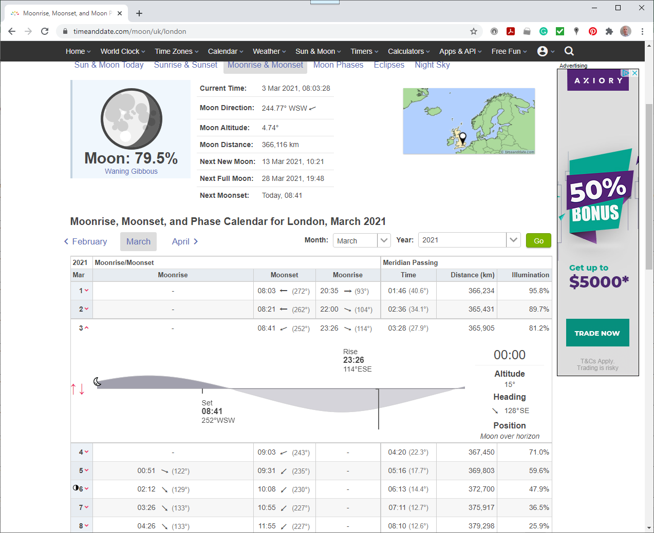
 |  | 52.0731563 | 1.3602619014 |  |  |  |  |  |  |  | 49.2872 | 19.5980 | 39696.994204 |  |  |  |  |  | 0.00028114194929
 |  | -307.92684 | -358.63974 |  |  |  |  |  |  |  |  |  | 165.4041
2460001.5272 | 0.23153 | 111652.07331 | 1.360274959 | 23.436280175 | 1948.6962959 | 0.023741276767 | 0.40904025348 | 0.614480 | 0.714079 | 0.335420 | 0.86022601334 | 0.34205096859 | 732711698.01 | 116.121 | 116.121 | 348.187 | -0.4403 | 116.121 | 2.3127608016E-07 | 2,460,001.5272 | 2460001.5272
 |  | 52.073306072 | 1.360274959 |  |  |  |  |  |  |  | 49.2873 | 19.5981 | 39698.00908 |  |  |  |  |  | 5.5506259238E-06
 |  | -307.92669 | -358.63973 |  |  |  |  |  |  |  |  |  | 165.4084
2460001.5272 | 0.23153 | 111652.07331 | 1.360275217 | 23.436280175 | 1948.6962959 | 0.023741281269 | 0.40904025348 | 0.614480 | 0.714079 | 0.335420 | 0.86022606502 | 0.34205098634 | 732711698.03 | 116.121 | 116.121 | 348.425 | -0.4403 | 116.121 | 4.4066781738E-09 | 2,460,001.5272 | 2460001.5272
 |  | 52.073309031 | 1.360275217 |  |  |  |  |  |  |  | 49.2873 | 19.5981 | 39698.02913 |  |  |  |  |  | 1.0576027617E-07
 |  | -307.92669 | -358.63972 |  |  |  |  |  |  |  |  |  | 165.4085
2460001.5272 | 0.23153 | 111652.07331 | 1.3602752216 | 23.436280175 | 1948.6962959 | 0.023741281351 | 0.40904025348 | 0.614480 | 0.714079 | 0.335420 | 0.86022606596 | 0.34205098666 | 732711698.03 | 116.121 | 116.121 | 331.165 | -0.4403 | 116.121 | 3.1663940823E-10 | 2,460,001.5272 | 2460001.5272
 |  | 52.073309085 | 1.3602752216 |  |  |  |  |  |  |  | 49.2873 | 19.5981 | 39698.029493 |  |  |  |  |  | 7.5993457976E-09
 |  | -307.92669 | -358.63972 |  |  |  |  |  |  |  |  |  | 165.4085
2460001.5272 | 0.23153 | 111652.07331 | 1.3602752222 | 23.436280175 | 1948.6962959 | 0.02374128136 | 0.40904025348 | 0.614480 | 0.714079 | 0.335420 | 0.86022606607 | 0.3420509867 | 732711698.03 | 116.121 | 116.121 | 512.880 | -0.4403 | 116.121 | -1.0592596702E-10 | 2,460,001.5272 | 2460001.5272
 |  | 52.073309091 | 1.3602752222 |  |  |  |  |  |  |  | 49.2873 | 19.5981 | 39698.029534 |  |  |  |  |  | -2.5422232085E-09
 |  | -307.92669 | -358.63972 |  |  |  |  |  |  |  |  |  | 165.4085
2460001.5272 | 0.23153 | 111652.07331 | 1.3602752222 | 23.436280175 | 1948.6962959 | 0.02374128136 | 0.40904025348 | 0.614480 | 0.714079 | 0.335420 | 0.86022606607 | 0.3420509867 | 732711698.03 | 116.121 | 116.121 | 0.000 | -0.4403 | 116.121 | #DIV/0! | 2,460,001.5272 | 2460001.5272
 |  | 52.073309091 | 1.3602752222 |  |  |  |  |  |  |  | 49.2873 | 19.5981 | 39698.029534 |  |  |  |  |  | #DIV/0!
 |  | -307.92669 | -358.63972 |  |  |  |  |  |  |  |  |  | 165.4085
2460001.5272 | 0.23153 | 111652.07331 | 1.3602752222 | 23.436280175 | 1948.6962959 | 0.02374128136 | 0.40904025348 | 0.614480 | 0.714079 | 0.335420 | 0.86022606607 | 0.3420509867 | 732711698.03 | 116.121 | 116.121 | #DIV/0! | -0.4403 | 116.121 | #DIV/0! | 2,460,001.5272 | 2460001.5272
 |  | 52.073309091 | 1.3602752222 |  |  |  |  |  |  |  | 49.2873 | 19.5981 | 39698.029534 |  |  |  |  |  | #DIV/0!
 |  | -307.92669 | -358.63972 |  |  |  |  |  |  |  |  |  | 165.4085

PhaseOfMoon
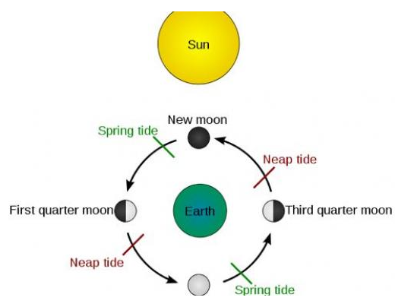
Moon Phase
 |  |  |  |  | Links
Sun's Longitude | 336.9165 | degrees | 5.88030 | radians
 |  |  |  |  | https://www.space.com/18880-moon-phases.html
Moon's Longitude | 49.1706 | degrees | 0.85819 | radians | https://www.timeanddate.com/astronomy/moon/waning-crescent.html
 |  |  |  |  | https://www.timeanddate.com/moon/phases/
Moon Phase | 287.75 | degrees | 5.02211 | radians | https://en.wikipedia.org/wiki/Lunar_phase
 |  |  |  |  | https://www.moongiant.com/phase/12/12/2020
% disk | 34.76% |  |  |  | https://www.almanac.com/astronomy/moon/calendar
 |  |  |  |  | https://stardate.org/nightsky/moon
 |  |  |  |  | https://spaceplace.nasa.gov/moon-phases/en/
 |  |  |  |  | https://www.ducksters.com/science/phases_of_the_moon.php
 |  |  |  |  | Relating Tides to the Moon Phases | Perkins eLearning

Chart
Local Solar System
0.1 | -0.4
0.5 | 0.5
-0.7 | 1.5
4.7 | 1.5
8.3 | -5.2
-0.9 | 0.4
Position of Planets in Sky
Azimuth | Altitude | Object | X | Y
276.1 | -16.3 | Sun | 0.9 | -0.4 | Sun
235.8 | 46.1 | Moon |  |  | Moon
283.5 | -31.8 | Mercury | 0.1 | -0.4 | Mercury
261.5 | 8.7 | Venus | 0.5 | 0.5 | Venus
195.1 | 63.4 | Mars | -0.7 | 1.5 | Mars
258.7 | 13.1 | Jupiter | 4.7 | 1.5 | Jupiter
279.2 | -24.1 | Saturn | 8.3 | -5.2 | Saturn
237.6 | 42.3 | Uranus | 13.1 | 14.6 | Uranus
266.6 | -1.5 | Neptune | 29.8 | -2.6 | Neptune

 |  |  | 0.9 | -0.4 | Sun
 |  |  | 4.7 | 1.5 | Jupiter
 |  |  | 8.3 | -5.2 | Saturn

 |  |  | -0.9 | 0.4 | Sun
 |  |  | 4.7 | 1.5 | Jupiter
 |  |  | 8.3 | -5.2 | Saturn

Orbits
Sun/Earth |  |  |  | Mercury |  |  |  | Venus |  |  |  | Mars |  |  |  | Jupiter |  |  |  | Saturn |  |  |  | Uranus |  |  |  | Nepture

Ellipse (Semi-major axis) a |  |  | 1.0000 | Ellipse (Semi-major axis) a |  |  | 0.3871 | Ellipse (Semi-major axis) a |  |  | 0.7233 | Ellipse (Semi-major axis) a |  |  | 1.5237 | Ellipse (Semi-major axis) a |  |  | 5.2026 | Ellipse (Semi-major axis) a |  |  | 9.5548 | Ellipse (Semi-major axis) a |  |  | 19.1816 | Ellipse (Semi-major axis) a |  |  | 30.0585

Eccentricity (e) |  |  | 0.016699 | Eccentricity (e) |  |  | 0.205640 | Eccentricity (e) |  |  | 0.006762 | Eccentricity (e) |  |  | 0.093405 | Eccentricity (e) |  |  | 0.048536 | Eccentricity (e) |  |  | 0.055466 | Eccentricity (e) |  |  | 0.047381 | Eccentricity (e) |  |  | 0.016699

Argument of perihelion (w) |  |  | 283.33866973 | Argument of perihelion (w) |  |  | 29.209891191 | Argument of perihelion (w) |  |  | 55.008022892 | Argument of perihelion (w) |  |  | 286.7262132 | Argument of perihelion (w) |  |  | 274.01682188 | Argument of perihelion (w) |  |  | 339.64563191 | Argument of perihelion (w) |  |  | 96.919688205 | Argument of perihelion (w) |  |  | 283.33866973

 |  | X | Y |  |  | X | Y |  |  | X | Y |  |  | X | Y |  |  | X | Y |  |  | X | Y |  |  | X | Y |  |  | X | Y
Location |  | 0.9049948183 | -0.40067213463 |  |  | 0.10425064031 | -0.44061275416 |  |  | 0.47975650113 | 0.54016662575 |  |  | -0.66735215618 | 1.4784031676 |  |  | 4.7195561468 | 1.4896450305 |  |  | 8.3434082759 | -5.2155144931 |  |  | 13.10621722 | 14.632119806 |  |  | 29.770223086 | -2.5974198182

Elipse
Elipse
 |  | X | Y |  |  | X | Y |  |  | X | Y |  |  | X | Y |  |  | X | Y |  |  | X | Y |  |  | X | Y |  |  | X | Y
0 | 0.996 | 1.0 | - | 0 | 0.314 | 0.3 | - | 0 | 0.721 | 0.7 | - | 0 | 1.471 | 1.5 | - | 0 | 5.173 | 5.2 | - | 0 | 9.055 | 9.1 | - | 0 | 19.248 | 19.2 | - | 0 | 29.935 | 29.9 | -
10 | 0.999 | 1.0 | 0.2 | 10 | 0.310 | 0.3 | 0.1 | 10 | 0.720 | 0.7 | 0.1 | 10 | 1.494 | 1.5 | 0.3 | 10 | 5.217 | 5.1 | 0.9 | 10 | 9.090 | 9.0 | 1.6 | 10 | 19.090 | 18.8 | 3.3 | 10 | 30.021 | 29.6 | 5.2
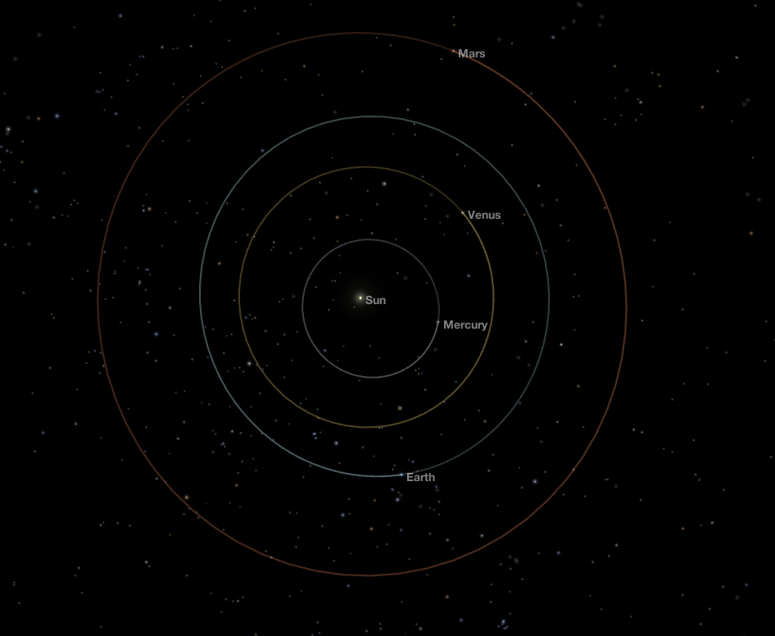
20 | 1.002 | 0.9 | 0.3 | 20 | 0.308 | 0.3 | 0.1 | 20 | 0.719 | 0.7 | 0.2 | 20 | 1.518 | 1.4 | 0.5 | 20 | 5.261 | 4.9 | 1.8 | 20 | 9.139 | 8.6 | 3.1 | 20 | 18.935 | 17.8 | 6.5 | 20 | 30.108 | 28.3 | 10.3
30 | 1.005 | 0.9 | 0.5 | 30 | 0.308 | 0.3 | 0.2 | 30 | 0.719 | 0.6 | 0.4 | 30 | 1.543 | 1.3 | 0.8 | 30 | 5.303 | 4.6 | 2.7 | 30 | 9.200 | 8.0 | 4.6 | 30 | 18.790 | 16.3 | 9.4 | 30 | 30.195 | 26.1 | 15.1
40 | 1.007 | 0.8 | 0.6 | 40 | 0.308 | 0.2 | 0.2 | 40 | 0.719 | 0.6 | 0.5 | 40 | 1.568 | 1.2 | 1.0 | 40 | 5.343 | 4.1 | 3.4 | 40 | 9.271 | 7.1 | 6.0 | 40 | 18.656 | 14.3 | 12.0 | 40 | 30.277 | 23.2 | 19.5
50 | 1.010 | 0.6 | 0.8 | 50 | 0.311 | 0.2 | 0.2 | 50 | 0.718 | 0.5 | 0.6 | 50 | 1.592 | 1.0 | 1.2 | 50 | 5.378 | 3.5 | 4.1 | 50 | 9.351 | 6.0 | 7.2 | 50 | 18.539 | 11.9 | 14.2 | 50 | 30.353 | 19.5 | 23.3
60 | 1.012 | 0.5 | 0.9 | 60 | 0.315 | 0.2 | 0.3 | 60 | 0.718 | 0.4 | 0.6 | 60 | 1.614 | 0.8 | 1.4 | 60 | 5.408 | 2.7 | 4.7 | 60 | 9.438 | 4.7 | 8.2 | 60 | 18.440 | 9.2 | 16.0 | 60 | 30.420 | 15.2 | 26.3
70 | 1.014 | 0.3 | 1.0 | 70 | 0.321 | 0.1 | 0.3 | 70 | 0.719 | 0.2 | 0.7 | 70 | 1.633 | 0.6 | 1.5 | 70 | 5.431 | 1.9 | 5.1 | 70 | 9.529 | 3.3 | 9.0 | 70 | 18.363 | 6.3 | 17.3 | 70 | 30.475 | 10.4 | 28.6
80 | 1.015 | 0.2 | 1.0 | 80 | 0.328 | 0.1 | 0.3 | 80 | 0.719 | 0.1 | 0.7 | 80 | 1.648 | 0.3 | 1.6 | 80 | 5.447 | 0.9 | 5.4 | 80 | 9.621 | 1.7 | 9.5 | 80 | 18.309 | 3.2 | 18.0 | 80 | 30.518 | 5.3 | 30.1
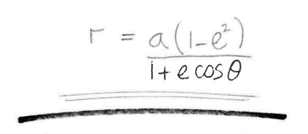
90 | 1.016 | 0.0 | 1.0 | 90 | 0.337 | 0.0 | 0.3 | 90 | 0.719 | 0.0 | 0.7 | 90 | 1.659 | 0.0 | 1.7 | 90 | 5.454 | 0.0 | 5.5 | 90 | 9.713 | 0.0 | 9.7 | 90 | 18.279 | 0.0 | 18.3 | 90 | 30.547 | 0.0 | 30.5
100 | 1.017 | -0.2 | 1.0 | 100 | 0.347 | -0.1 | 0.3 | 100 | 0.720 | -0.1 | 0.7 | 100 | 1.665 | -0.3 | 1.6 | 100 | 5.454 | -0.9 | 5.4 | 100 | 9.800 | -1.7 | 9.7 | 100 | 18.274 | -3.2 | 18.0 | 100 | 30.560 | -5.3 | 30.1
110 | 1.017 | -0.3 | 1.0 | 110 | 0.359 | -0.1 | 0.3 | 110 | 0.721 | -0.2 | 0.7 | 110 | 1.666 | -0.6 | 1.6 | 110 | 5.444 | -1.9 | 5.1 | 110 | 9.880 | -3.4 | 9.3 | 110 | 18.294 | -6.3 | 17.2 | 110 | 30.557 | -10.5 | 28.7
120 | 1.016 | -0.5 | 0.9 | 120 | 0.372 | -0.2 | 0.3 | 120 | 0.721 | -0.4 | 0.6 | 120 | 1.661 | -0.8 | 1.4 | 120 | 5.427 | -2.7 | 4.7 | 120 | 9.950 | -5.0 | 8.6 | 120 | 18.339 | -9.2 | 15.9 | 120 | 30.539 | -15.3 | 26.4
130 | 1.015 | -0.7 | 0.8 | 130 | 0.386 | -0.2 | 0.3 | 130 | 0.722 | -0.5 | 0.6 | 130 | 1.652 | -1.1 | 1.3 | 130 | 5.402 | -3.5 | 4.1 | 130 | 10.008 | -6.4 | 7.7 | 130 | 18.408 | -11.8 | 14.1 | 130 | 30.505 | -19.6 | 23.4
140 | 1.013 | -0.8 | 0.7 | 140 | 0.400 | -0.3 | 0.3 | 140 | 0.723 | -0.6 | 0.5 | 140 | 1.638 | -1.3 | 1.1 | 140 | 5.371 | -4.1 | 3.5 | 140 | 10.050 | -7.7 | 6.5 | 140 | 18.498 | -14.2 | 11.9 | 140 | 30.458 | -23.3 | 19.6
150 | 1.011 | -0.9 | 0.5 | 150 | 0.414 | -0.4 | 0.2 | 150 | 0.724 | -0.6 | 0.4 | 150 | 1.621 | -1.4 | 0.8 | 150 | 5.335 | -4.6 | 2.7 | 150 | 10.076 | -8.7 | 5.0 | 150 | 18.609 | -16.1 | 9.3 | 150 | 30.399 | -26.3 | 15.2
160 | 1.009 | -0.9 | 0.3 | 160 | 0.428 | -0.4 | 0.1 | 160 | 0.725 | -0.7 | 0.2 | 160 | 1.600 | -1.5 | 0.5 | 160 | 5.295 | -5.0 | 1.8 | 160 | 10.085 | -9.5 | 3.4 | 160 | 18.737 | -17.6 | 6.4 | 160 | 30.329 | -28.5 | 10.4
170 | 1.006 | -1.0 | 0.2 | 170 | 0.441 | -0.4 | 0.1 | 170 | 0.725 | -0.7 | 0.1 | 170 | 1.577 | -1.6 | 0.3 | 170 | 5.252 | -5.2 | 0.9 | 170 | 10.075 | -9.9 | 1.7 | 170 | 18.878 | -18.6 | 3.3 | 170 | 30.250 | -29.8 | 5.3
180 | 1.004 | -1.0 | 0.0 | 180 | 0.452 | -0.5 | 0.0 | 180 | 0.726 | -0.7 | 0.0 | 180 | 1.552 | -1.6 | 0.0 | 180 | 5.208 | -5.2 | 0.0 | 180 | 10.048 | -10.0 | 0.0 | 180 | 19.030 | -19.0 | 0.0 | 180 | 30.166 | -30.2 | 0.0
190 | 1.001 | -1.0 | -0.2 | 190 | 0.460 | -0.5 | -0.1 | 190 | 0.727 | -0.7 | -0.1 | 190 | 1.527 | -1.5 | -0.3 | 190 | 5.164 | -5.1 | -0.9 | 190 | 10.004 | -9.9 | -1.7 | 190 | 19.187 | -18.9 | -3.3 | 190 | 30.079 | -29.6 | -5.2
200 | 0.998 | -0.9 | -0.3 | 200 | 0.465 | -0.4 | -0.2 | 200 | 0.727 | -0.7 | -0.2 | 200 | 1.502 | -1.4 | -0.5 | 200 | 5.122 | -4.8 | -1.8 | 200 | 9.946 | -9.3 | -3.4 | 200 | 19.346 | -18.2 | -6.6 | 200 | 29.992 | -28.2 | -10.3
210 | 0.995 | -0.9 | -0.5 | 210 | 0.467 | -0.4 | -0.2 | 210 | 0.728 | -0.6 | -0.4 | 210 | 1.479 | -1.3 | -0.7 | 210 | 5.082 | -4.4 | -2.5 | 210 | 9.875 | -8.6 | -4.9 | 210 | 19.501 | -16.9 | -9.8 | 210 | 29.907 | -25.9 | -15.0
220 | 0.992 | -0.8 | -0.6 | 220 | 0.465 | -0.4 | -0.3 | 220 | 0.728 | -0.6 | -0.5 | 220 | 1.457 | -1.1 | -0.9 | 220 | 5.046 | -3.9 | -3.2 | 220 | 9.794 | -7.5 | -6.3 | 220 | 19.647 | -15.1 | -12.6 | 220 | 29.827 | -22.8 | -19.2
230 | 0.990 | -0.6 | -0.8 | 230 | 0.459 | -0.3 | -0.4 | 230 | 0.728 | -0.5 | -0.6 | 230 | 1.437 | -0.9 | -1.1 | 230 | 5.015 | -3.2 | -3.8 | 230 | 9.706 | -6.2 | -7.4 | 230 | 19.779 | -12.7 | -15.2 | 230 | 29.753 | -19.1 | -22.8
240 | 0.988 | -0.5 | -0.9 | 240 | 0.450 | -0.2 | -0.4 | 240 | 0.728 | -0.4 | -0.6 | 240 | 1.420 | -0.7 | -1.2 | 240 | 4.990 | -2.5 | -4.3 | 240 | 9.615 | -4.8 | -8.3 | 240 | 19.892 | -9.9 | -17.2 | 240 | 29.690 | -14.8 | -25.7
250 | 0.986 | -0.3 | -0.9 | 250 | 0.439 | -0.2 | -0.4 | 250 | 0.728 | -0.2 | -0.7 | 250 | 1.405 | -0.5 | -1.3 | 250 | 4.970 | -1.7 | -4.7 | 250 | 9.522 | -3.3 | -8.9 | 250 | 19.983 | -6.8 | -18.8 | 250 | 29.637 | -10.1 | -27.8
260 | 0.985 | -0.2 | -1.0 | 260 | 0.426 | -0.1 | -0.4 | 260 | 0.728 | -0.1 | -0.7 | 260 | 1.394 | -0.2 | -1.4 | 260 | 4.957 | -0.9 | -4.9 | 260 | 9.431 | -1.6 | -9.3 | 260 | 20.047 | -3.5 | -19.7 | 260 | 29.596 | -5.1 | -29.1
270 | 0.984 | -0.0 | -1.0 | 270 | 0.412 | -0.0 | -0.4 | 270 | 0.727 | -0.0 | -0.7 | 270 | 1.386 | -0.0 | -1.4 | 270 | 4.951 | -0.0 | -5.0 | 270 | 9.345 | -0.0 | -9.3 | 270 | 20.083 | -0.0 | -20.1 | 270 | 29.570 | -0.0 | -29.6
280 | 0.983 | 0.2 | -1.0 | 280 | 0.398 | 0.1 | -0.4 | 280 | 0.727 | 0.1 | -0.7 | 280 | 1.382 | 0.2 | -1.4 | 280 | 4.951 | 0.9 | -4.9 | 280 | 9.266 | 1.6 | -9.1 | 280 | 20.089 | 3.5 | -19.8 | 280 | 29.557 | 5.1 | -29.1
290 | 0.983 | 0.3 | -0.9 | 290 | 0.383 | 0.1 | -0.4 | 290 | 0.726 | 0.2 | -0.7 | 290 | 1.382 | 0.5 | -1.3 | 290 | 4.959 | 1.7 | -4.7 | 290 | 9.195 | 3.1 | -8.6 | 290 | 20.065 | 6.9 | -18.9 | 290 | 29.560 | 10.1 | -27.8
300 | 0.984 | 0.5 | -0.9 | 300 | 0.370 | 0.2 | -0.3 | 300 | 0.725 | 0.4 | -0.6 | 300 | 1.385 | 0.7 | -1.2 | 300 | 4.973 | 2.5 | -4.3 | 300 | 9.135 | 4.6 | -7.9 | 300 | 20.011 | 10.0 | -17.3 | 300 | 29.577 | 14.8 | -25.6
310 | 0.985 | 0.6 | -0.8 | 310 | 0.357 | 0.2 | -0.3 | 310 | 0.725 | 0.5 | -0.6 | 310 | 1.391 | 0.9 | -1.1 | 310 | 4.994 | 3.2 | -3.8 | 310 | 9.087 | 5.8 | -7.0 | 310 | 19.930 | 12.8 | -15.3 | 310 | 29.608 | 19.0 | -22.7
320 | 0.987 | 0.8 | -0.6 | 320 | 0.346 | 0.3 | -0.2 | 320 | 0.724 | 0.6 | -0.5 | 320 | 1.401 | 1.1 | -0.9 | 320 | 5.021 | 3.8 | -3.2 | 320 | 9.052 | 6.9 | -5.8 | 320 | 19.825 | 15.2 | -12.7 | 320 | 29.653 | 22.7 | -19.1
330 | 0.988 | 0.9 | -0.5 | 330 | 0.335 | 0.3 | -0.2 | 330 | 0.723 | 0.6 | -0.4 | 330 | 1.414 | 1.2 | -0.7 | 330 | 5.053 | 4.4 | -2.5 | 330 | 9.031 | 7.8 | -4.5 | 330 | 19.699 | 17.1 | -9.8 | 330 | 29.710 | 25.7 | -14.9
340 | 0.991 | 0.9 | -0.3 | 340 | 0.327 | 0.3 | -0.1 | 340 | 0.722 | 0.7 | -0.2 | 340 | 1.430 | 1.3 | -0.5 | 340 | 5.090 | 4.8 | -1.7 | 340 | 9.025 | 8.5 | -3.1 | 340 | 19.558 | 18.4 | -6.7 | 340 | 29.777 | 28.0 | -10.2
350 | 0.993 | 1.0 | -0.2 | 350 | 0.320 | 0.3 | -0.1 | 350 | 0.721 | 0.7 | -0.1 | 350 | 1.450 | 1.4 | -0.3 | 350 | 5.130 | 5.1 | -0.9 | 350 | 9.033 | 8.9 | -1.6 | 350 | 19.406 | 19.1 | -3.4 | 350 | 29.853 | 29.4 | -5.2
360 | 0.996 | 1.0 | -0.0 | 360 | 0.314 | 0.3 | -0.0 | 360 | 0.721 | 0.7 | -0.0 | 360 | 1.471 | 1.5 | -0.0 | 360 | 5.173 | 5.2 | -0.0 | 360 | 9.055 | 9.1 | -0.0 | 360 | 19.248 | 19.2 | -0.0 | 360 | 29.935 | 29.9 | -0.0

